Explenation
This sheet provides the overview for the remaining sheets of this Excel document.
Each sheet is dedicated to a particular experiment.
The orange sheets are for EX1, the baseline to identify the influence factors on discovery success.
EX1 Results: All results from the 1.800 executed experiments are stored in this sheet.
EX1 Analysis: This sheet provides all pivot files that were generated for the data analysis. It does contain all graphis added to the paper.
For EX2 only logs with sizes 500, 5.000, 50.000, and 150.000 were selected.
EX2 Synthetic Logs: This provides the F1-scores for all logs based on the EX1 Results data.
EX2 Leno: This sheet provides all the necessary information to execute the Leno discovery with the files in the repository, if you download the RPM solution from Leno. It does also provide the output information of all executions.
EX2 Agostinelli: In the Jupyter Notebook "smartRPA-2-ActionLogger" there is a section titled "Generate Results from Agostinelli Patterns. It takes as input one result .txt file from the Agostinelli method and the motifs from the files as "Action Types" separted by [Space] and one motif per line.
The results were calculated only for patterns identified by the Agostinelli approach that exceeded the actual length of the routine. Otherwise, short n-grams (size 2,3,4) would also be considered and decrease Agostinellis performance.
EX3.1 AWT does contain the results of the notebook "SingleLogDiscovery" with the AWT data from Beerepoot et al.
EX3.2 Tockler does contain the "SingleLogDiscovery" results for the Tockler data generated while recording the authos during the invoice routine execution. EX3.3 SmarRPA does contain the "SingleLogDiscovery" results for the SmartRPA data generated while recording the authos during the invoice routine execution.

EX1 Analysis
EncodingMethod | Hierarchy
 | 0 | 10 | 20 | (blank)
-20 | 67.917 | 27.750 | 7.417
-15 | 80.083 | 19.875 | 2.667
-10 | 76.361 | 38.278 | 5.444
-5 | 81.083 | 52.083 | 6.208
0 | 88.917 | 70.367 | 6.250
5 | 62.017 | 64.067 | 16.433
10 | 42.312 | 43.813 | 18.104
15 | 25.917 | 28.722 | 19.389
20 | 16.208 | 16.625 | 15.208
25 | 19.083 | 14.083 | 10.500
(blank)
Average of F1-Score | Column Labels |  |  |  | Average of RecallPerc | Column Labels
Row Labels | 0 | 10 | 20 | Grand Total | Row Labels | 0 | 10 | 20 | (blank) | Grand Total
-20 | 0.595 | 0.280 | 0.088 | 0.321 | -20 | 67.917 | 27.750 | 7.417 |  | 34.36
-15 | 0.666 | 0.211 | 0.032 | 0.303 | -15 | 80.083 | 19.875 | 2.667 |  | 34.21
-10 | 0.663 | 0.388 | 0.062 | 0.371 | -10 | 76.361 | 38.278 | 5.444 |  | 40.03
-5 | 0.698 | 0.508 | 0.070 | 0.425 | -5 | 81.083 | 52.083 | 6.208 |  | 46.46
0 | 0.742 | 0.620 | 0.064 | 0.475 | 0 | 88.917 | 70.367 | 6.250 |  | 55.18
5 | 0.568 | 0.567 | 0.170 | 0.435 | 5 | 62.017 | 64.067 | 16.433 |  | 47.51
10 | 0.410 | 0.405 | 0.199 | 0.338 | 10 | 42.312 | 43.813 | 18.104 |  | 34.74
15 | 0.273 | 0.283 | 0.218 | 0.258 | 15 | 25.917 | 28.722 | 19.389 |  | 24.68
20 | 0.174 | 0.187 | 0.176 | 0.179 | 20 | 16.208 | 16.625 | 15.208 |  | 16.01
25 | 0.220 | 0.164 | 0.132 | 0.172 | 25 | 19.083 | 14.083 | 10.500 |  | 14.56
Grand Total | 0.54300707071 | 0.42791963684 | 0.12417671958 | 0.36503447571 | (blank)
 |  |  |  |  | Grand Total | 61.156 | 45.719 | 11.294 |  | 39.39
windowSizeMatch | 0
EncodingMethod | Hierarchy

 | 0 | 10 | 20 | (blank)
-20 | 58.250 | 29.267 | 15.000
-15 | 60.750 | 26.250 | 4.625
-10 | 62.319 | 42.414 | 8.000
-5 | 64.879 | 53.855 | 9.813
0 | 65.320 | 58.908 | 8.317
5 | 57.942 | 56.421 | 21.467
10 | 46.095 | 42.724 | 26.323
15 | 34.094 | 31.447 | 30.250
20 | 24.833 | 23.833 | 25.625
25 | 31.000 | 23.000 | 21.000
(blank)
Average of F1-Score | Column Labels
Row Labels | 0 | 10 | 20 | Grand Total | Average of PreciPerc | Column Labels
5 | 0.632 | 0.629 | 0.096 | 0.452 | Row Labels | 0.000 | 10.000 | 20.000 | (blank) | Grand Total
10 | 0.756 | 0.444 | 0.057 | 0.419 | -20 | 58.250 | 29.267 | 15.000 |  | 34.17
15 | 0.756 | 0.606 | 0.025 | 0.462 | -15 | 60.750 | 26.250 | 4.625 |  | 30.54
20 | 0.763 | 0.671 | 0.070 | 0.501 | -10 | 62.319 | 42.414 | 8.000 |  | 37.58
25 | 0.803 | 0.750 | 0.072 | 0.542 | -5 | 64.879 | 53.855 | 9.813 |  | 42.85
Grand Total | 0.74 | 0.62 | 0.06 | 0.48 | 0 | 65.320 | 58.908 | 8.317 |  | 44.18
 |  |  |  |  | 5 | 57.942 | 56.421 | 21.467 |  | 45.28
 |  |  |  |  | 10 | 46.095 | 42.724 | 26.323 |  | 38.38
 |  |  |  |  | 15 | 34.094 | 31.447 | 30.250 |  | 31.93
 |  |  |  |  | 20 | 24.833 | 23.833 | 25.625 |  | 24.76
 |  |  |  |  | 25 | 31.000 | 23.000 | 21.000 |  | 25.00
 |  |  |  |  | (blank)
windowSizeMatch | 0 |  |  |  | Grand Total | 53.662 | 44.566 | 16.824 |  | 38.35
EncodingMethod | Hierarchy

Average of F1-Score | Column Labels
Row Labels | 0 | 10 | 20 | Grand Total
1.00 | 0.715 | 0.623 | 0.057 | 0.465
2.50 | 0.761 | 0.589 | 0.063 | 0.471
5.00 | 0.727 | 0.659 | 0.074 | 0.487
10.00 | 0.766 | 0.608 | 0.061 | 0.478
Grand Total | 0.74 | 0.62 | 0.06 | 0.48

windowSizeMatch | (All)
EncodingMethod | Hierarchy

Average of alignmentAccuracy | Column Labels
Row Labels | 0 | 10 | 20 | Grand Total
5 | 4.2578012336 | 4.158 | 4.862 | 4.4117733729
10 | 3.1191824361 | 3.374 | 4.896 | 3.63778651
15 | 2.7916159267 | 2.530 | 4.598 | 3.0972414064
20 | 1.5138867954 | 1.663 | 3.704 | 1.8824850762
25 | 0.79642895326 | 1.563 | 2.613 | 1.2893987196
Grand Total | 2.4131777578 | 2.6228884682 | 4.4566251416 | 2.9112045811

EncodingMethod | Hierarchy

Row Labels | Average of ExecutionTime
500.00 | 0.036080771022
750.00 | 0.041129310926
1000.00 | 0.37087988853
1500.00 | 0.057294461462
2000.00 | 0.081164304415
2250.00 | 0.16155778037
2500.00 | 0.10035820802
3000.00 | 0.16708306637
3750.00 | 0.21450842751
4000.00 | 0.23734610875
4500.00 | 0.31378210915
5000.00 | 0.33952189375
6000.00 | 0.5080467389
7500.00 | 0.71540682404
8000.00 | 0.88505508723
9000.00 | 1.1281128724
10000.00 | 1.2745562527
12000.00 | 1.974909474
15000.00 | 2.8168816876
16000.00 | 3.1810796526
18000.00 | 4.728085147
20000.00 | 5.0188273191
22500.00 | 6.778356976
24000.00 | 7.2396799944
25000.00 | 7.3985811604
30000.00 | 11.390838619
36000.00 | 16.86896846
37500.00 | 16.972907053
40000.00 | 19.150717351
45000.00 | 25.957341499
48000.00 | 28.867013388
50000.00 | 30.720106416
60000.00 | 46.062271224
75000.00 | 71.423294862
90000.00 | 104.43767194
120000.00 | 188.12119502
150000.00 | 286.13060363
Grand Total | 11.138242

EX3.3 SmartRPA
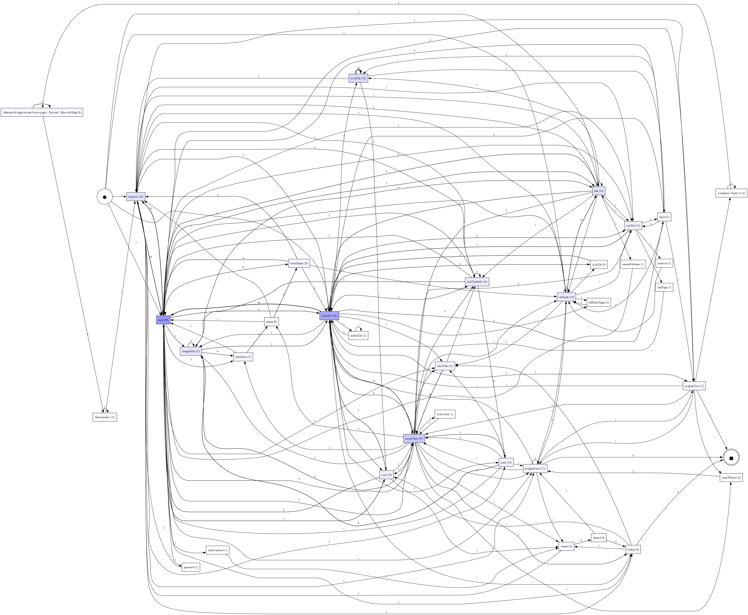
ID | LogName | Window Size w_s | top_motifs t | Occurances | Confirmed Routines (TP) | Recall | Precision | F1-Score | Exec Time (sec)
1 | RunningExampleSmartRPA_Anonymized - Copy.csv | 25 | 10 | 9 | 1 | 0.11111111111 | 0.1 | 0.10526315789 | 0.325
2 | RunningExampleSmartRPA_Anonymized - Copy.csv | 30 | 10 | 9 | 3 | 0.33333333333 | 0.3 | 0.31578947368 | 0.352
3 | RunningExampleSmartRPA_Anonymized - Copy.csv | 35 | 10 | 9 | 3 | 0.33333333333 | 0.3 | 0.31578947368 | 0.353
4 | RunningExampleSmartRPA_Anonymized - Copy.csv | 40 | 10 | 9 | 1 | 0.11111111111 | 0.1 | 0.10526315789 | 0.117
5 | RunningExampleSmartRPA_Anonymized - Copy.csv | 45 | 10 | 9 | 4 | 0.44444444444 | 0.4 | 0.42105263158 | 0.525
6 | RunningExampleSmartRPA_Anonymized - Copy.csv | 50 | 10 | 9 | 3 | 0.33333333333 | 0.3 | 0.31578947368 | 0.523

 | Spaghetti Model of Window Size 50

